Fig 1_confidential
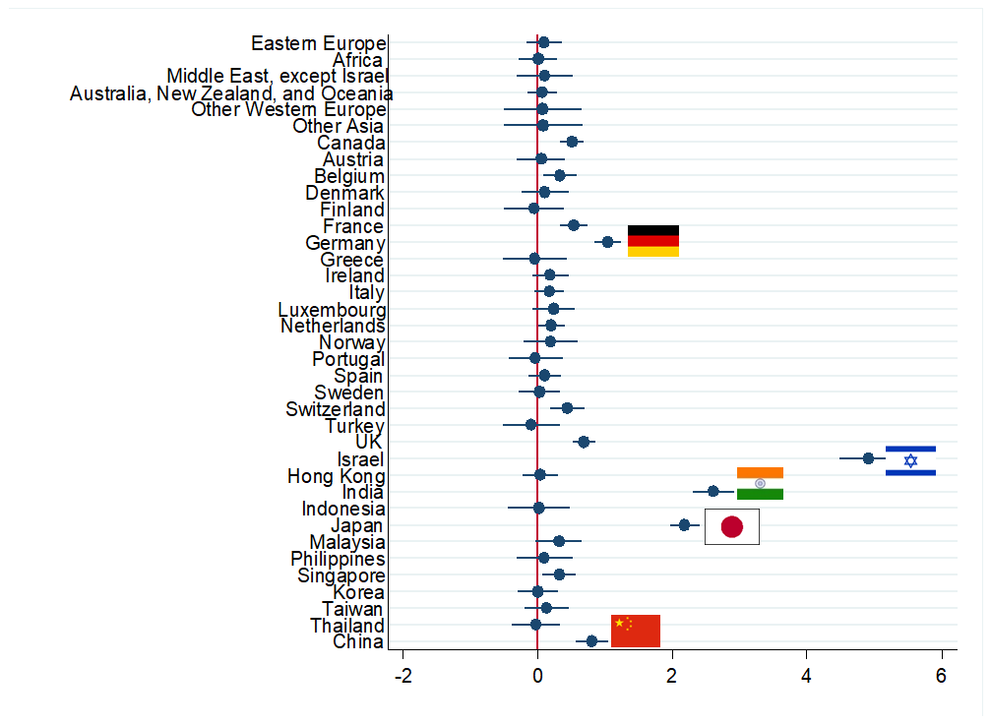

Fig 2
 | Traditional Hubs | Non-Traditional Hubs
1989 | 5,116 | 1,932
1990 | 7,335 | 2,852
1991 | 6,652 | 2,744
1992 | 7,154 | 3,930
1993 | 7,048 | 3,903
1994 | 8,345 | 3,532
1995 | 8,628 | 3,954
1996 | 9,423 | 4,615
1997 | 9,976 | 4,617
1998 | 10,127 | 4,537
1999 | 12,033 | 6,111
2000 | 12,653 | 7,804
2001 | 11,971 | 7,731
2002 | 12,959 | 8,104
2003 | 14,145 | 8,648
2004 | 15,722 | 10,118
2005 | 16,413 | 11,240
2006 | 16,317 | 13,266
2007 | 18,591 | 15,855
2008 | 21,899 | 19,800
2009 | 20,018 | 19,187
2010 | 19,103 | 20,784
2011 | 21,076 | 23,608
2012 | 20,442 | 24,541
2013 | 21,537 | 27,213
2014 | 23,614 | 31,664
2015 | 23,126 | 32,970

Fig 3_editable
 | Co-invented & assigned to other types of organizations | Co-invented & assigned to indigenous firms | Co-invented & assigned to multinational firms | Purely Chinese invented & assigned to multinational firms | Purely Chinese invented & assigned to indigenous firms | Purely Chinese invented & assigned to other types of organizations
1981 | 0 | 0 | 1 | 1 | 2 | 2
1984 | 3 | 3 | 4 | 5 | 5 | 5
1985 | 1 | 1 | 1 | 2 | 2 | 2
1986 | 2 | 2 | 3 | 3 | 4 | 6
1987 | 4 | 4 | 8 | 9 | 11 | 16
1988 | 6 | 6 | 8 | 9 | 18 | 36
1989 | 7 | 7 | 10 | 12 | 19 | 36
1990 | 6 | 7 | 10 | 12 | 17 | 30
1991 | 6 | 7 | 13 | 15 | 22 | 35
1992 | 9 | 9 | 15 | 18 | 19 | 30
1993 | 9 | 10 | 19 | 22 | 33 | 45
1994 | 7 | 7 | 13 | 19 | 30 | 40
1995 | 11 | 11 | 23 | 30 | 38 | 45
1996 | 15 | 16 | 29 | 39 | 44 | 52
1997 | 14 | 14 | 36 | 47 | 57 | 66
1998 | 14 | 14 | 30 | 44 | 56 | 69
1999 | 20 | 20 | 53 | 70 | 86 | 97
2000 | 10 | 10 | 52 | 78 | 100 | 114
2001 | 18 | 19 | 92 | 162 | 189 | 204
2002 | 10 | 15 | 124 | 245 | 306 | 317
2003 | 19 | 23 | 133 | 244 | 296 | 323
2004 | 23 | 28 | 180 | 335 | 411 | 439
2005 | 23 | 28 | 207 | 348 | 443 | 472
2006 | 33 | 43 | 433 | 682 | 798 | 854
2007 | 31 | 37 | 468 | 756 | 897 | 962
2008 | 37 | 42 | 648 | 1150 | 1406 | 1472
2009 | 51 | 60 | 850 | 1544 | 1889 | 1988
2010 | 65 | 93 | 1268 | 2255 | 3000 | 3176
2011 | 69 | 108 | 1313 | 2501 | 3534 | 3725
2012 | 96 | 179 | 1791 | 3474 | 5097 | 5391

Fig 5
 | Lower Bound, Low Stock | Coef, Low Stock | Upper Bound, Low Stock | Lower Bound, Hi Stock | Coef Hi Stock | Upper Bound, Hi Stock
0 | 0.490644 | 0.532 | 0.573356 | 0.39996 | 0.447 | 0.49404
1 | 0.43096 | 0.478 | 0.52504 | 0.350408 | 0.4047 | 0.458992
2 | 0.42156 | 0.4588 | 0.49604 | 0.316228 | 0.3617 | 0.407172
3 | 0.4046 | 0.4487 | 0.4928 | 0.325788 | 0.3742 | 0.422612
4 | 0.41884 | 0.4551 | 0.49136 | 0.319708 | 0.374 | 0.428292
5 | 0.40222 | 0.4424 | 0.48258 | 0.2907 | 0.3544 | 0.4181
6 | 0.391784 | 0.44 | 0.488216 | 0.263836 | 0.3538 | 0.443764
7 | 0.372348 | 0.409 | 0.445652 | 0.284632 | 0.3548 | 0.424968
8 | 0.359804 | 0.409 | 0.458196 | 0.2714 | 0.3694 | 0.4674
9 | 0.369428 | 0.41 | 0.450572 | 0.304444 | 0.4193 | 0.534156
10 | 0.371564 | 0.409 | 0.446436 | 0.288944 | 0.3989 | 0.508856

Fig 6_confidential
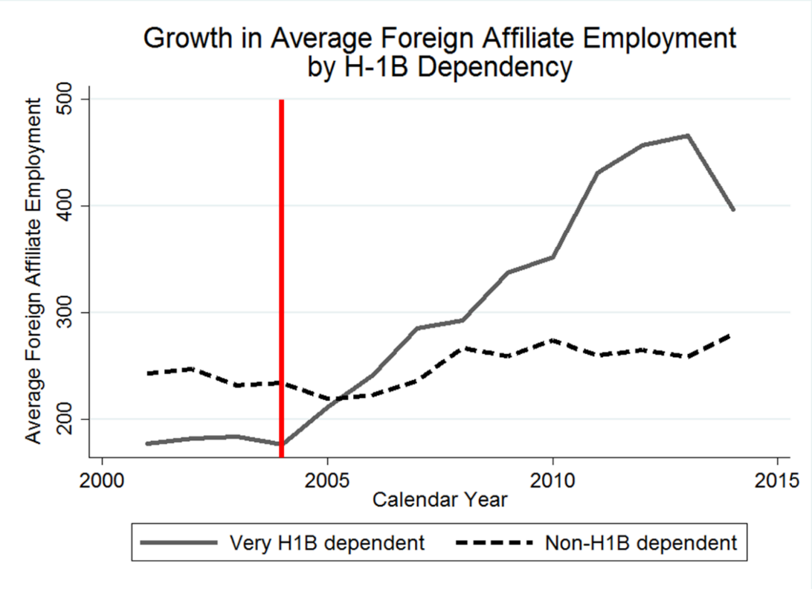

Fig 7
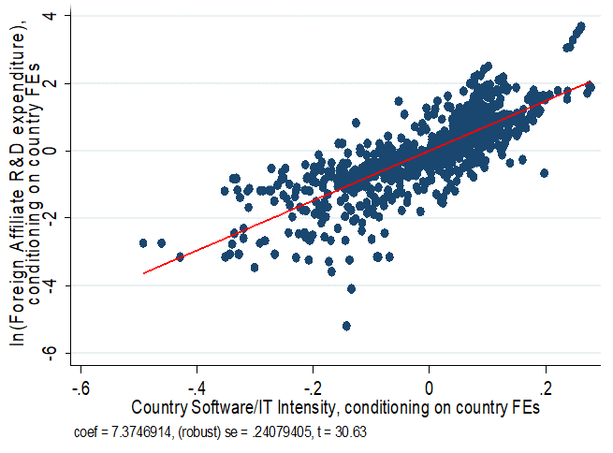

[STATA CODE REQUIRED]

Fig 8
Correlation between a Firm's Software & IT Hardware Patent Stock & the Proportion of Patents with a Non-High Income Foreign Inventor in 2012, for firms with >=100 patent stock
 | prop_nonhigh
3.962716 | 0.0299401
4.382027 | 0.0166667
1.648659 | 0.0222222
4.842611 | 0.1258741
3.178054 | 0.1188119
4.950177 | 0.0300752
3.440418 | 0.0357143
4.377014 | 0.039604
5.646859 | 0
4.021774 | 0
0.9555114 | 0.0746269
4.934474 | 0.0223881
4.536891 | 0.0292398
3.446808 | 0.0188679
4.475061 | 0.2317073
3.83298 | 0.0547945
3.288402 | 0.0305344
5.324959 | 0
2.564949 | 0.0566038
3.718438 | 0.0408163
6.040731 | 0.1753554
3.815512 | 0.0090909
3.446808 | 0.1632653
4.763882 | 0.020595
 | 0.0769231
6.235587 | 0.1646825
6.104347 | 0.0296846
3.520461 | 0
5.997943 | 0.0609319
3.015535 | 0
6.758559 | 0.0958904
8.408048 | 0.0867684
3.8416 | 0.0285714
3.538057 | 0
5.417877 | 0
0.9555114 | 0.0408163
6.061923 | 0.0065253
7.323303 | 0.1021776
5.388158 | 0.0538462
3.854394 | 0.044586
5.856217 | 0.0473373
0 | 0.0125
4.366913 | 0.0670103
7.07327 | 0.0522523
4.945919 | 0
1.648659 | 0.0188679
1.757858 | 0.0196078
5.45361 | 0.1092896
2.772589 | 0
2.054124 | 0.0416667
...

Figure 9
The Rise of China, India, and Israel
 | China's R&D Share | Israel's R&D Share | India's R&D Share
1989 |  | 0.0041709 | 0.0002876
1990 |  | 0.0013784 | 0.0002954
1991 | 0.0001069 | 0.0028858 | 0.0003206
1992 | 0.0002799 | 0.0021455 | 0.0002799
1993 | 0.0004765 | 0.0021917 | 0.0002859
1994 | 0.0006005 | 0.0082354 | 0.0004289
1995 | 0.0010477 | 0.0078175 | 0.000403
1996 | 0.0018057 | 0.0122066 | 0.0006501
1997 | 0.0024314 | 0.0144495 | 0.0015283
1998 | 0.0035894 | 0.0097329 | 0.0015876
1999 | 0.0178872 | 0.0218123 | 0.0011215
2000 | 0.0254182 | 0.0316472
2001 |  | 0.0390365
2002 | 0.0323681 | 0.0369348 | 0.0037637
2003 | 0.0247894 | 0.0301422 | 0.0035539
2004 | 0.022311 | 0.0338352 | 0.0043846
2005 | 0.0243104 | 0.0279132 | 0.0119004
2006 | 0.0256575 | 0.0283618 | 0.0113921
2007 | 0.0340523 | 0.0297559 | 0.0110895
2008 | 0.0404199 | 0.0480879 | 0.0324617
2009 | 0.0405725 | 0.0474074 | 0.0353821
2010 | 0.0388716 | 0.050647 | 0.0434551
2011 | 0.0374185 | 0.0462921 | 0.0469712
2012 | 0.044979 | 0.044979 | 0.0511714
2013 | 0.0453713 | 0.0448299 | 0.053242

Fig 10a
R&D PERFORMED, BY INDUSTRY OF AFFILIATE IN 2014 "OLD HUBS"
 | Comp & elect prod | Electrical equipment, appliances, and components | Info | Other | Prof, sci, & tech svc | Trad Manuf | CANADA
CANADA | 20% | 2% | 13% | 14% | 18% | 32% | 0
FRANCE | 16% | 1% | 5% | 22% | 10% | 46% | 0
GERMANY | 24% | 2% | 1% | 14% | 7% | 51% | 0
UK | 7% | 1% | 9% | 20% | 25% | 39% | 0
JAPAN | 17% |  | 6% | 17% | 22% | 37%

Fig 10b
R&D PERFORMED, BY INDUSTRY OF AFFILIATE IN 2014 "NEW HUBS"
 | Comp & elect prod | Electrical equipment, appliances, and components | Info | Other | Prof, sci, & tech svc | Trad Manuf
ISRAEL | 19% |  | 0% | 21% | 54% | 7%
CHINA | 15% | 4% | 0% | 23% | 35% | 23%
INDIA | 12% | 1% | 0% | 23% | 46% | 18%

